JMP Graphs
 | Log Model | Standard Model
 | https://engage.moxiworks.com/neighborhood_news/page?subscriptionid=3241590&agent_uuid=bf8caa9e-0370-4bc0-83f7-df4be13fd5f6&from_email=true

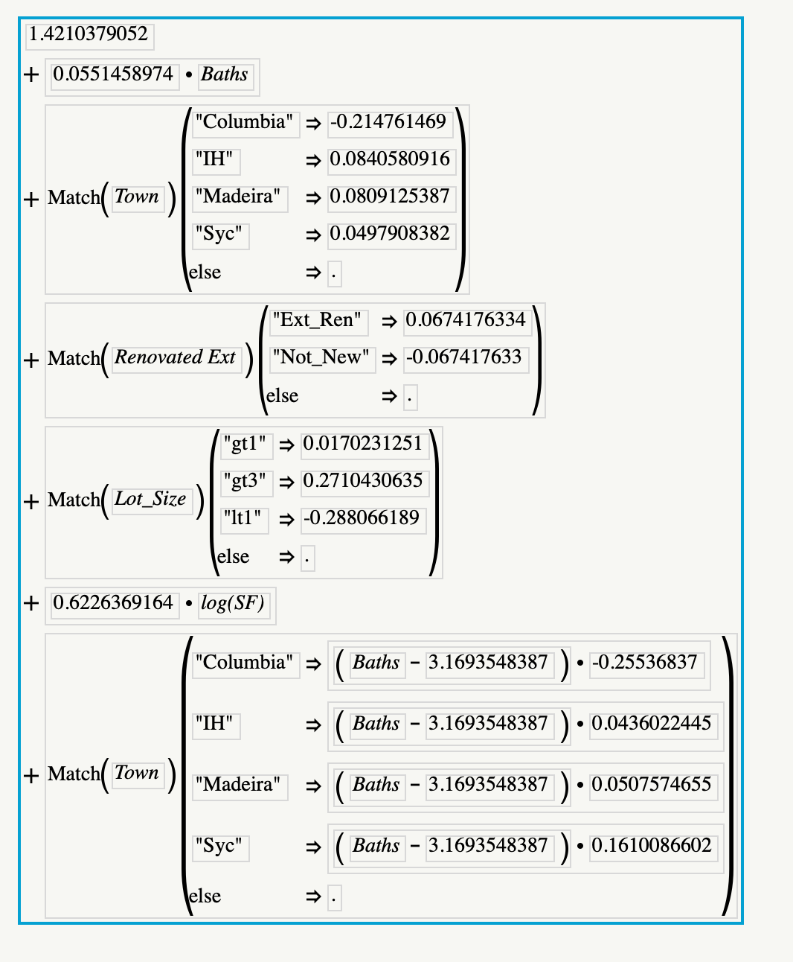
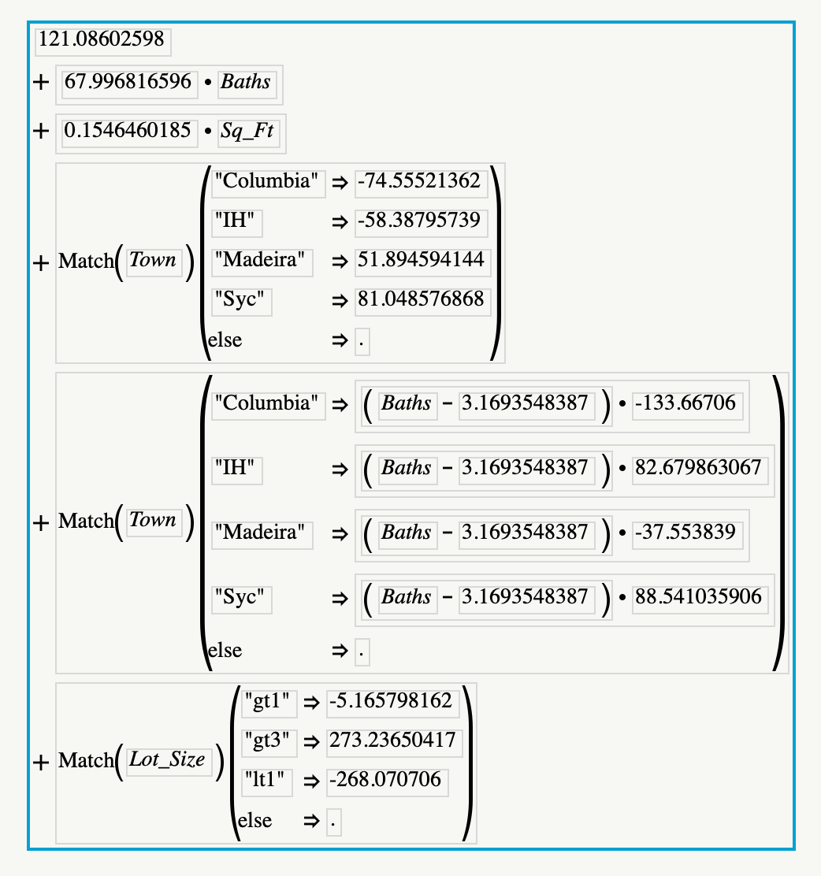

 |  |  |  |  |  |  | Town |  | Bath Interact
1.42104 |  |  |  |  |  | Madeira | 51.9 | 0.08091 | -37.6 | 0.050757
0.055146 |  |  |  |  |  | Indian Hill | -58.4 | 0.08406 | 82.7 | 0.0436
0.622637 |  |  |  |  |  | Sycamore Twp | 81 | 0.04979 | 88.5 | 0.16101
 |  |  |  |  |  | Columbia Twp | -74.6 | -0.21476 | -133.7 | -0.25537

 |  |  |  |  |  | Lot size
 |  |  |  |  |  | gt3 | 273.2 | 0.27104
 |  |  |  |  |  | gt1 | -5.2 | 0.01702
 |  |  |  |  |  | lt1 | -268.1 | -0.28807

0.067418
-0.067418

 |  |  | 1.42
 |  |  | 0.2475
 |  |  | -0.067
 |  |  | -0.288
 |  |  | 5.227024561 | 8.4035764646 | 4463
 |  |  | 0.06756156

 |  |  | 6.607086121

